Sheet1
Offer#: | CGC2018072 |  |  |  |  | Date: | 2018-06-12

General Information:
Description: | Men's Compression Underwear Shorts-located in LA,USA
All Clear (FOB): | USD 1.25
Quantity: | 132,720pcs
Size: | S,M,L,XL
Colors: | Black, Grey
Brand: | ZONE PRO
Fabric: | 90% polyester, 10% Spandex, 140gsm
Original market: | USA (RN 124190)
Shipping method: | seaship or airship, to be confirmed by buyer.
Payment term: | 30% deposit, balance pay before shipment.

Quantity Breakdown:
SIZE/COLOR |  | S | M | L | XL | total
Black |  | 36096 | 48336 | 36288 | 12000 | 132720
Grey |  | 22752 | 34080 | 34080 | 12240 | 103152

Size chart:
Position |  | S | M | L | XL
Waist Relax |  | 30 | 34 | 38 | 42
Waist Stretch |  | 48 | 52 | 56 | 60
Front Rise incl waistband |  | 32 | 33 | 34 | 35
Back Rise incl waistband |  | 32 | 33 | 34 | 35
Bottom |  | 20 | 21 | 22 | 23

Packing:
2pcs/pack, 24packs/carton

NOTE:
The containers arrived LA on Jan. 13, the below charges are involved:
Pick up and return container |  |  | US$365
Chassis Fee |  |  | US$105
Chassis split |  |  | US$150
TMF |  |  | US$145
Devanning |  |  | US$866
Stroage $198 per week, start from 1/22 |  |  | US$4,158 | NOTE:UPTO 6/12
Warehouse in and Out |  |  | US$330
Pallet Fee |  |  | US$429
Total: |  |  | US$6,548

Product Pics:
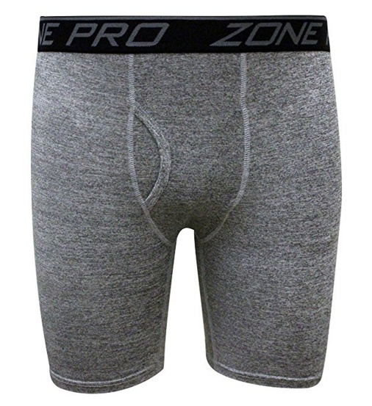 |  |  |  |  |  | 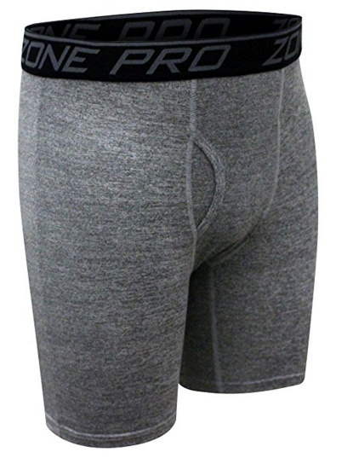
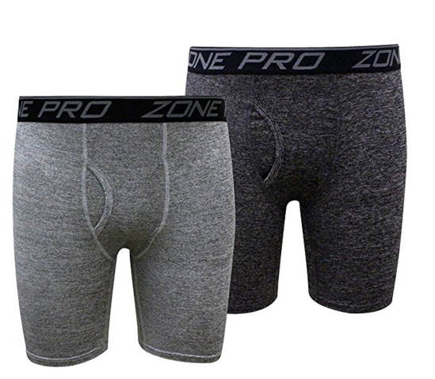 |  |  |  |  |  | 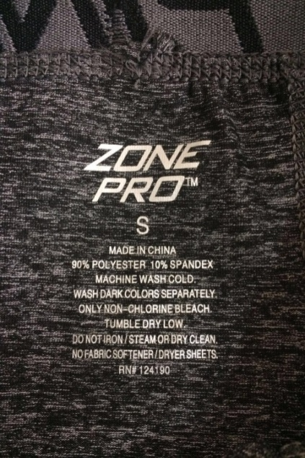
Note:
1, We can offer change label, re-packing services (extra charges required);
2, Inspection report will be provided.

